State
 | Column Labels
 | AK | AL | AR | AZ | Brazil | CA | CO | CT | DC | DE | FL | GA | HI | IA | IL | IN | KS | KY | LA | MA | MD | ME | MI | MN | MO | MS | MT | NC | NE | NH | NJ | NM | NV | NY | OH | OK | OR | PA | Quebec | RI | SC | SD | Spain | Thailand | TN | TX | UT | VA | VT | WA | WI | WV | (blank) | Grand Total
Count of Hospital State | 1 | 3 | 2 | 8 | 1 | 68 | 7 | 10 | 3 | 1 | 10 | 4 | 5 | 2 | 11 | 6 | 9 | 3 | 7 | 7 | 6 | 4 | 10 | 3 | 6 | 1 | 1 | 13 | 3 | 5 | 15 | 3 | 5 | 53 | 37 | 1 | 3 | 16 | 2 | 2 | 6 | 1 | 2 | 1 | 2 | 16 | 2 | 4 | 3 | 3 | 17 | 3 |  | 417

 | AK | AL | AR | AZ | Brazil | CA | CO | CT | DC | DE | FL | GA
Total | 1 | 2 | 2 | 3 | 1 | 48 | 6 | 4 | 1 | 1 | 7 | 4
 |  |  |  |  |  |  |  |  |  |  |  |  |  |  |  |  |  |  |  |  |  |  |  |  |  |  |  |  |  |  |  |  |  |  |  |  |  |  |  |  |  |  |  | 46 states
 |  |  |  |  |  |  |  |  |  |  |  |  |  |  |  |  |  |  |  |  |  |  |  |  |  |  |  |  |  |  |  |  |  |  |  |  |  |  |  |  |  |  |  | 5 countries

 |  |  |  |  |  |  |  |  |  |  |  |  |  |  |  |  |  |  |  |  |  |  |  |  |  |  |  |  |  |  |  |  |  |  |  |  |  |  |  |  |  |  |  | CA | 68
 |  |  |  |  |  |  |  |  |  |  |  |  |  |  |  |  |  |  |  |  |  |  |  |  |  |  |  |  |  |  |  |  |  |  |  |  |  |  |  |  |  |  |  | NY | 53
 |  |  |  |  |  |  |  |  |  |  |  |  |  |  |  |  |  |  |  |  |  |  |  |  |  |  |  |  |  |  |  |  |  |  |  |  |  |  |  |  |  |  |  | OH | 37
 |  |  |  |  |  |  |  |  |  |  |  |  |  |  |  |  |  |  |  |  |  |  |  |  |  |  |  |  |  |  |  |  |  |  |  |  |  |  |  |  |  |  |  | WI | 17
 |  |  |  |  |  |  |  |  |  |  |  |  |  |  |  |  |  |  |  |  |  |  |  |  |  |  |  |  |  |  |  |  |  |  |  |  |  |  |  |  |  |  |  | PA | 16

Health System Count
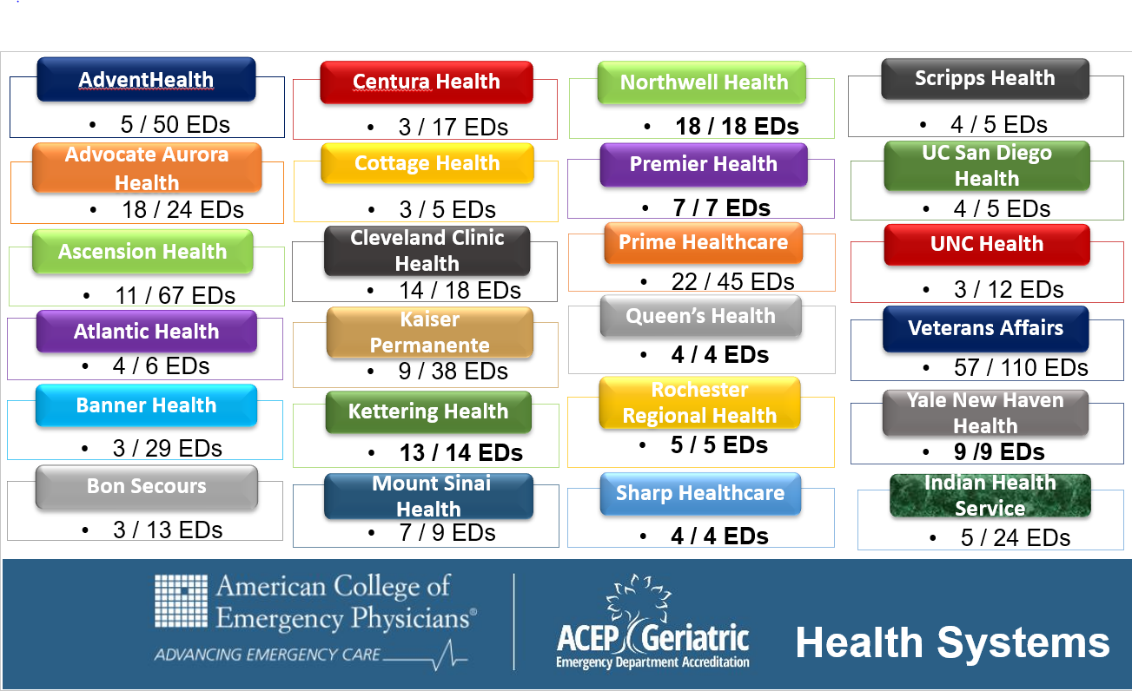
Row Labels | Count of Health System
AdventHealth | 5
AdventHealth | 1
Advocate Aurora Health | 18
Alteon Health | 1
AMITA Health | 1
Ascension Health | 10
Ascension Health | 1
Atlantic Health | 3
Atlantic Health | 1
Avanti Health | 3
Bangkok Dusit Medical Services (BDMS) | 1
Banner Health | 3
BayCare Health | 1
Baystate Health | 1
Beaumont Health | 1
Berkshire Health | 1
Berkshire Health System | 1
BJC HealthCare | 1
BMP | 1
Bon Secours | 3
Bronxcare | 1
Cape Fear Valley Health | 2
Cape Fear Valley Medical Center | 1
Care New England Health | 1
Carle Health | 2
Catholic Health | 1
Centre Hospitalier Universitaire de Sherbrooke (CHUS) | 1
Centura Health | 3
CHRISTUS Health | 2
Cleveland Clinic Health (CCH) | 14
Commonwealth Health | 1
Cone Health | 1
Cooper Health | 1
Cottage Health | 3
Covenant HealthCare | 2
Dartmouth-Hitchcock Health (D-HH) | 3
Dignity Health | 1
Duke Health | 1
Eisenhower Health | 1
Emory Healthcare | 1
Floyd Medical Center | 2
FMC | 1
GE Health Care | 1
Grand View Health | 1
Hackensack Meridian Health | 1
Harrris Health System | 1
HCA Midwest Health | 1
HealthPartners | 1
Holy Cross Health | 1
Hospital de la Santa i Sant Pau (Fundacio de Gestio Sanitaria & Catalan Gov't) | 1
Hospital Sirio Libanes | 1
Hurley Health | 1
Indian Health Service | 5
Inova Health | 1
Inspira Health | 1
Inspira Health Network | 1
JCH Medical Group | 1
Jefferson Health | 1
Johns Hopkins Health | 1
Johns Hopkins Health System | 1
JPS Health | 1
Kaiser Permanente Health | 9
Kaleida Health | 1
Kettering Health | 13
Kuakini Health | 1
Lafayette General Health | 1
LCMC Health | 3
Legacy Health | 1
Lehigh Valley Health | 1
Liberty Hospital | 1
LifeBridge Health | 1
Luminis Health | 1
Luthern Health Network | 1
Maine Hospital Association | 1
McKenzie Health | 1
McLaren Health Care | 1
MediSys Health | 2
Memorial Hermann Health | 1
MemorialCare | 1
Meritus Health | 1
Methodist Health | 2
MGH | 2
Midland Health | 1
Mon Health | 1
Mount Sinai Health | 9
Multicare Health System | 1
New York City Health | 1
New York-Presbyterian Healthcare | 1
North Mississippi Health Services (NMHS) | 1
Northern Light Health | 1
Northwell Health | 18
Northwest Health | 2
Northwest Texas Health System | 1
Northwestern Medicine Health | 1
NYC Health | 1
Ohio State Health | 1
Orlando Health | 1
Palisades Healthcare | 1
Palomar Health | 2
Parkview Health | 2
Penn Medicine | 1
Pennsylvania Health System | 1
Pipeline Health | 1
PMC | 1
Premier Health | 7
Prime | 3
Prime Healthcare | 22
Providence Health | 3
Providence Health - Health System | 1
Providence St. Joseph Health | 1
Public | 1
Queen's Health | 4
Riverside Health | 1
Rochester Regional Health | 5
Roper St. Francis Healthcare | 1
Samaritan Health | 1
SBH Health | 1
Scripps Health | 4
Sentara | 1
SGMH Foundation (Gov't) | 1
Sharp HealthCare | 4
South Texas Health System | 1
Southwest Community Healh System | 1
Southwest Michigan Health System | 1
Spectrum Health | 1
St. Joseph Health | 3
St. Joseph's Health | 1
St. Luke's University Health | 1
St. Luke's University Health Network | 1
Stanford University Health | 1
Steward Heath Care | 1
STHS | 1
Sturdy Memorial | 1
Sullivan County | 1
Summa Health | 1
Sutter Health | 2
Tenet Healthcare | 1
The Valley Health System | 1
Thompson Health | 1
Tri-City Healthcare | 1
Trinity Health | 2
UAB | 1
UC Health | 1
UC San Diego Health | 4
UCHealth | 1
UCI Health | 1
UCSF Health | 2
UM SRH | 1
UNC Health | 3
United Health Services | 1
Unity Point Health | 2
Universal Health | 1
University of California | 1
University of Pennsylvania Health (HUP) | 1
University of Rochester (URMC) | 1
University of Vermont Health Network | 1
UPMC Health | 1
UPMC Mercy | 1
US Army | 1
USACS | 1
Utah Health | 1
Valley Health System | 2
Veterans Affairs | 57
Waconia City Hospital, Safety Net | 1
Wake Forest Baptist Health | 1
Wellfore Network | 1
West Virginia University Health | 1
Wheaton Franciscan Healthcare | 1
Yale New Haven Health | 8
(blank)
Grand Total | 407

